Sheet1 (2)
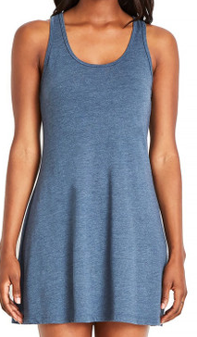
Brand | Garment_Type | Product_Name | Garment_Style | Garment_Color | XS | S | M | L | X | 2X | TTL
Next Level Apparel | Dress | Tri-Blend Racerback Tank Dress | 6734 | Indigo Blue |  |  |  |  |  | 1,944 | 1,944
Next Level Apparel | Dress | Tri-Blend Racerback Tank Dress | 6734 | Premium Heather |  | 2,232 | 286 | 5,544 | 5,112 | 2,664 | 15,838
Next Level Apparel | Dress | Tri-Blend Racerback Tank Dress | 6734 | Vintage Black |  |  |  | 3,599 |  | 72 | 3,671
Next Level Apparel | Long Sleeve Shirt | Tri-Blend Long Sleeve Scoop Neck Tee | 6731 | Envy |  |  | 360 |  |  |  | 360
Next Level Apparel | Long Sleeve Shirt | Tri-Blend Long Sleeve Scoop Neck Tee | 6731 | Heather White |  |  | 864 | 216 |  |  | 1,080
Next Level Apparel | Long Sleeve Shirt | Tri-Blend Long Sleeve Scoop Neck Tee | 6731 | Military Green |  | 72 | 72 |  |  |  | 144
Next Level Apparel | Long Sleeve Shirt | Tri-Blend Long Sleeve Scoop Neck Tee | 6731 | Venetian Grey |  |  |  | 72 |  |  | 72
Next Level Apparel | Long Sleeve Shirt | Tri-Blend Long Sleeve Scoop Neck Tee | 6731 | Vintage Navy |  | 72 |  | 72 |  |  | 144
Next Level Apparel | Long Sleeve Shirt | Tri-Blend Long Sleeve Scoop Neck Tee | 6731 | Vintage Purple |  | 72 |  |  |  |  | 72
Next Level Apparel | Long Sleeve Shirt | Tri-Blend Long Sleeve Scoop Neck Tee | 6731 | Vintage Royal |  | 360 | 216 |  |  |  | 576
Next Level Apparel | Long Sleeve Shirt | Tri-Blend Long Sleeve Scoop Neck Tee | 6731 | Vintage Turquoise |  | 144 | 144 | 72 | 72 |  | 432
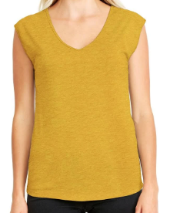
Next Level Apparel | Tank Top | Festival Sleeveless Deep V-Neck Tee | 5040 | Smoked Paprika | 8,502 | 9,004 | 9,313 | 7,224 | 5,839 | 4,896 | 44,778
Next Level Apparel | Tank Top | Festival Sleeveless Deep V-Neck Tee | 5040 | Stonewash Green | 5,272 | 4,426 | 4,736 | 1,029 | 2,314 | 2,874 | 20,651
Next Level Apparel | Tank Top | Festival Sleeveless Deep V-Neck Tee | 5040 | Shiraz | 7,552 | 2,840 | 3,348 | 992 | 2,291 | 3,096 | 20,119
Next Level Apparel | Tank Top | Festival Sleeveless Deep V-Neck Tee | 5040 | Antique Denim | 2,836 | 5,636 | 4,405 | 2,756 | 884 | 1,466 | 17,983
Next Level Apparel | Tank Top | Festival Sleeveless Deep V-Neck Tee | 5040 | Royal Pine | 4,528 | 5,312 | 3,528 | 1,807 | 708 | 896 | 16,779
Next Level Apparel | Tank Top | Festival Sleeveless Deep V-Neck Tee | 5040 | Desert Pink | 5,248 | 2,108 | 3,328 | 2,624 | 1,332 |  | 14,640
Next Level Apparel | Tank Top | Festival Sleeveless Deep V-Neck Tee | 5040 | Charcoal | 3,880 | 4,888 | 1,125 |  | 518 | 2,480 | 12,891
Next Level Apparel | Tank Top | Festival Sleeveless Deep V-Neck Tee | 5040 | Stonewash Denim | 6,576 | 252 |  |  | 96 | 2,738 | 9,662
Next Level Apparel | Tank Top | Festival Sleeveless Deep V-Neck Tee | 5040 | Antique Gold | 3,016 | 1,864 | 2,072 |  | 576 |  | 7,528
Next Level Apparel | Tank Top | Festival Sleeveless Deep V-Neck Tee | 5040 | Ash Grey | 3,636 | 1,024 |  | 184 |  | 936 | 5,780
Next Level Apparel | Tank Top | Festival Sleeveless Deep V-Neck Tee | 5040 | Black |  | 1,168 |  |  |  |  | 1,168
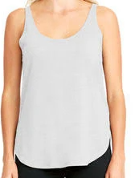
Next Level Apparel | Tank Top | Festival Tank | 5033 | Red |  | 360 |  | 1,080 | 540 | 252 | 2,232
Next Level Apparel | Tank Top | Festival Tank | 5033 | Royal |  | 360 |  |  |  |  | 360
Next Level Apparel | Tank Top | Festival Tank | 5033 | Silver | 360 |  |  |  |  |  | 360
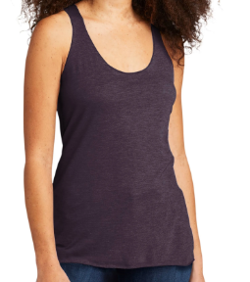
Next Level Apparel | Tank Top | Tri-Blend Racerback Tank | 6733 | Macchiato |  |  | 12 | 168 | 24 | 144 | 348
Next Level Apparel | Tank Top | Tri-Blend Racerback Tank | 6733 | Premium Heather |  |  |  |  |  | 144 | 144
Next Level Apparel | Tank Top | Tri-Blend Racerback Tank | 6733 | Vintage Lilac |  |  | 59 | 150 | 150 | 180 | 539
Next Level Apparel | Tank Top | Tri-Blend Racerback Tank | 6733 | Vintage Red |  | 192 | 168 | 48 | 168 |  | 576
Next Level Apparel | Tank Top | Tri-Blend Racerback Tank | 6733 | Vintage Royal |  |  |  |  |  | 72 | 72
Next Level Apparel | Tee | Lightweight Cotton Poly Jersey Flow Tee | 1530 | Heather Grey |  |  | 168 |  |  |  | 168
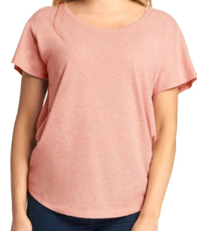
Next Level Apparel | Tee | Tri-Blend Dolman Tee | 6760 | Purple Rush |  |  | 3,330 |  |  |  | 3,330
Next Level Apparel | Tee | Tri-Blend Dolman Tee | 6760 | Vintage Lilac |  |  |  | 104 |  |  | 104
Next Level Apparel | Tee | Tri-Blend Dolman Tee | 6760 | Venetian Grey | 1,087 |  |  |  |  |  | 1,087
Next Level Apparel | Tee | Tri-Blend Dolman Tee | 6760 | Vintage Red |  |  |  | 104 |  |  | 104
Next Level Apparel | Tee | Tri-Blend Dolman Tee | 6760 | Vintage Royal | 52 |  |  |  |  |  | 52
 |  |  |  |  | 52,545 | 42,386 | 37,534 | 27,845 | 20,624 | 24,854 | 205,788

